Clash Report
RFI No | Clash Details | Item 1 | Item 2 | Clash Image | User Images | Comments
1 | Clash Group: ELV Between: LV_P-026 and ELV_P-004 Clash1 Distance: -0.339m Clash Point: 113831.320m, 128959.615m, 29.346m | Item Name: LV_P-026 Network: GBL7A_Serv_LV-80R Item Type: 4 x 160mm GROUP Pipe Pipe 0.420m x 0.720m | Item Name: ELV_P-004 Network: GBL7A_Serv_ELV-80R Item Type: 6 x 160mm Pipe Pipe 0.680m x 0.980m | 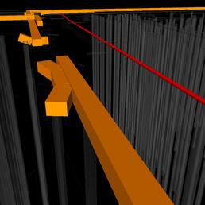 | (user images)
2 | Clash Group: ELV Between: LV_P-015 and ELV_P-003 Clash2 Distance: -0.328m Clash Point: 113965.908m, 128983.489m, 29.017m | Item Name: LV_P-015 Network: GBL7A_Serv_LV-80R Item Type: 4 x 160mm GROUP Pipe Pipe 0.420m x 0.720m | Item Name: ELV_P-003 Network: GBL7A_Serv_ELV-80R Item Type: 6 x 160mm Pipe Pipe 0.680m x 0.980m | 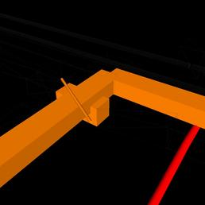 | (user images)
3 | Clash Group: ELV Between: LV_P-198 and ELV_P-030 Clash3 Distance: -0.322m Clash Point: 114046.954m, 128968.475m, 29.375m | Item Name: LV_P-198 Network: GBL7A_Serv_LV-80R Item Type: 4 x 160mm GROUP Pipe Pipe 0.420m x 0.720m | Item Name: ELV_P-030 Network: GBL7A_Serv_ELV-80R Item Type: 6 x 160mm Pipe Pipe 0.680m x 0.980m | 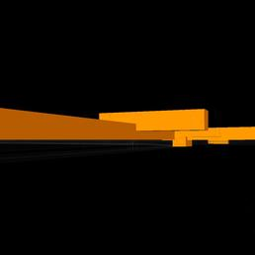 | (user images)
4 | Clash Group: ELV Between: LV_P-122 and ELV_P-009 Clash4 Distance: -0.322m Clash Point: 113788.859m, 128953.263m, 28.976m | Item Name: LV_P-122 Network: GBL7A_Serv_LV-80R Item Type: 4 x 160mm GROUP Pipe Pipe 0.420m x 0.720m | Item Name: ELV_P-009 Network: GBL7A_Serv_ELV-80R Item Type: 6 x 160mm Pipe Pipe 0.680m x 0.980m | 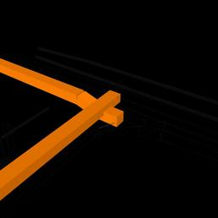 | (user images)
5 | Clash Group: ELV Between: LV_P-025 and ELV_P-007 Clash5 Distance: -0.308m Clash Point: 114043.278m, 128995.821m, 29.115m | Item Name: LV_P-025 Network: GBL7A_Serv_LV-80R Item Type: 4 x 160mm GROUP Pipe Pipe 0.420m x 0.720m | Item Name: ELV_P-007 Network: GBL7A_Serv_ELV-80R Item Type: 6 x 160mm Pipe Pipe 0.680m x 0.980m | 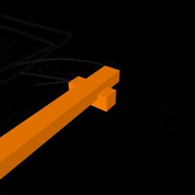 | (user images)
6 | Clash Group: ELV Between: LV_P-199 and ELV_P-030 Clash6 Distance: -0.306m Clash Point: 114049.479m, 128953.689m, 29.504m | Item Name: LV_P-199 Network: GBL7A_Serv_LV-80R Item Type: 4 x 160mm GROUP Pipe Pipe 0.420m x 0.720m | Item Name: ELV_P-030 Network: GBL7A_Serv_ELV-80R Item Type: 6 x 160mm Pipe Pipe 0.680m x 0.980m | 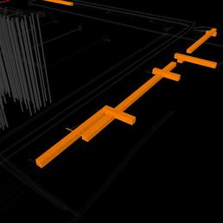 | (user images)
7 | Clash Group: ELV Between: LV_P-189 and ELV_P-005 Clash7 Distance: -0.261m Clash Point: 113838.297m, 128919.533m, 29.173m | Item Name: LV_P-189 Network: GBL7A_Serv_LV-80R Item Type: 4 x 160mm GROUP Pipe Pipe 0.420m x 0.720m | Item Name: ELV_P-005 Network: GBL7A_Serv_ELV-80R Item Type: 6 x 160mm Pipe Pipe 0.680m x 0.980m | 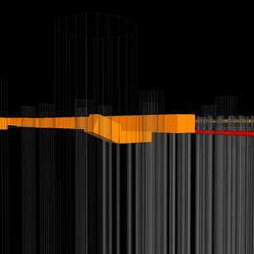 | (user images)
8 | Clash Group: ELV Between: LV_P-103 and ELV_P-035 Clash8 Distance: -0.260m Clash Point: 113841.972m, 128900.874m, 29.172m | Item Name: LV_P-103 Network: GBL7A_Serv_LV-80R Item Type: 4 x 160mm GROUP Pipe Pipe 0.420m x 0.720m | Item Name: ELV_P-035 Network: GBL7A_Serv_ELV-80R Item Type: 6 x 160mm Pipe Pipe 0.680m x 0.980m | 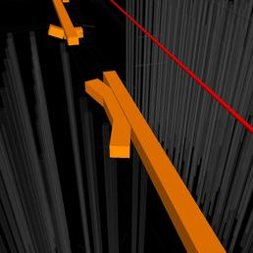 | (user images)
9 | Clash Group: ELV Between: LV_P-021 and ELV_P-001 Clash9 Distance: -0.253m Clash Point: 113834.240m, 128943.225m, 28.984m | Item Name: LV_P-021 Network: GBL7A_Serv_LV-80R Item Type: 4 x 160mm GROUP Pipe Pipe 0.420m x 0.720m | Item Name: ELV_P-001 Network: GBL7A_Serv_ELV-80R Item Type: 6 x 160mm Pipe Pipe 0.680m x 0.980m | 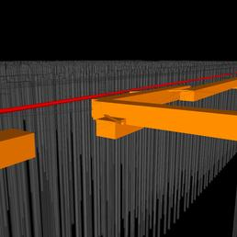 | (user images)
10 | Clash Group: ELV Between: LV_P-112 and ELV_P-029 Clash10 Distance: -0.250m Clash Point: 114045.654m, 128977.872m, 29.191m | Item Name: LV_P-112 Network: GBL7A_Serv_LV-80R Item Type: 4 x 160mm GROUP Pipe Pipe 0.420m x 0.720m | Item Name: ELV_P-029 Network: GBL7A_Serv_ELV-80R Item Type: 6 x 160mm Pipe Pipe 0.680m x 0.980m | 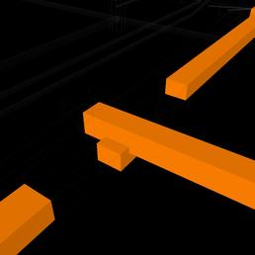 | (user images)
11 | Clash Group: ELV Between: LV_P-103 and ELV_P-037 Clash11 Distance: -0.235m Clash Point: 113841.985m, 128900.799m, 29.175m | Item Name: LV_P-103 Network: GBL7A_Serv_LV-80R Item Type: 4 x 160mm GROUP Pipe Pipe 0.420m x 0.720m | Item Name: ELV_P-037 Network: GBL7A_Serv_ELV-80R Item Type: 6 x 160mm Pipe Pipe 0.680m x 0.980m | 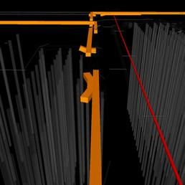 | (user images)
12 | Clash Group: ELV Between: LV_P-103 and ELV_P-036 Clash12 Distance: -0.234m Clash Point: 113841.494m, 128903.693m, 29.052m | Item Name: LV_P-103 Network: GBL7A_Serv_LV-80R Item Type: 4 x 160mm GROUP Pipe Pipe 0.420m x 0.720m | Item Name: ELV_P-036 Network: GBL7A_Serv_ELV-80R Item Type: 6 x 160mm Pipe Pipe 0.680m x 0.980m | 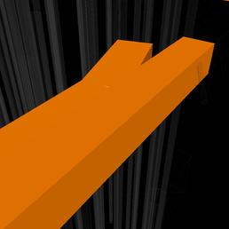 | (user images)
13 | Clash Group: ELV Between: LV_P-203 and ELV_P-009 Clash13 Distance: -0.194m Clash Point: 113788.047m, 128953.125m, 29.337m | Item Name: LV_P-203 Network: GBL7A_Serv_LV-80R Item Type: 4 x 160mm GROUP Pipe Pipe 0.420m x 0.720m | Item Name: ELV_P-009 Network: GBL7A_Serv_ELV-80R Item Type: 6 x 160mm Pipe Pipe 0.680m x 0.980m | 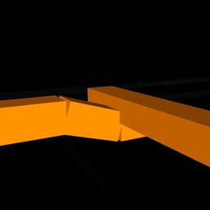 | (user images)
14 | Clash Group: ELV Between: LV_P-172 and ELV_P-017 Clash14 Distance: -0.179m Clash Point: 113905.676m, 128973.199m, 29.671m | Item Name: LV_P-172 Network: GBL7A_Serv_LV-80R Item Type: 4 x 160mm GROUP Pipe Pipe 0.420m x 0.720m | Item Name: ELV_P-017 Network: GBL7A_Serv_ELV-80R Item Type: 100 mm PVC Pipe Pipe Pipe 0.100m x 0.110m | 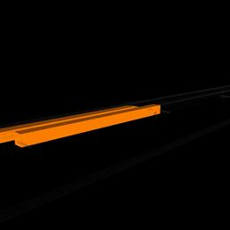 | (user images)
15 | Clash Group: ELV Between: LV_P-019 and ELV_P-024 Clash15 Distance: -0.178m Clash Point: 113836.433m, 128938.023m, 29.619m | Item Name: LV_P-019 Network: GBL7A_Serv_LV-80R Item Type: 4 x 160mm GROUP Pipe Pipe 0.420m x 0.720m | Item Name: ELV_P-024 Network: GBL7A_Serv_ELV-80R Item Type: 100 mm PVC Pipe Pipe Pipe 0.100m x 0.110m | 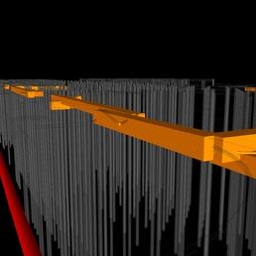 | (user images)
16 | Clash Group: ELV Between: LV_P-150 and ELV_P-018 Clash16 Distance: -0.177m Clash Point: 113983.437m, 128985.600m, 29.668m | Item Name: LV_P-150 Network: GBL7A_Serv_LV-80R Item Type: 4 x 160mm GROUP Pipe Pipe 0.420m x 0.720m | Item Name: ELV_P-018 Network: GBL7A_Serv_ELV-80R Item Type: 100 mm PVC Pipe Pipe Pipe 0.100m x 0.110m | 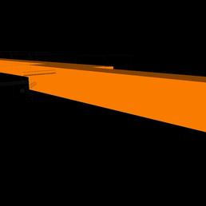 | (user images)
17 | Clash Group: ELV Between: LV_P-187 and ELV_P-025 Clash17 Distance: -0.150m Clash Point: 113848.145m, 128869.719m, 29.628m | Item Name: LV_P-187 Network: GBL7A_Serv_LV-80R Item Type: 4 x 160mm GROUP Pipe Pipe 0.420m x 0.720m | Item Name: ELV_P-025 Network: GBL7A_Serv_ELV-80R Item Type: 100 mm PVC Pipe Pipe Pipe 0.100m x 0.110m | 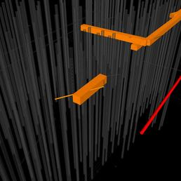 | (user images)
18 | Clash Group: ELV Between: LV_P-143 and ELV_P-020 Clash18 Distance: -0.139m Clash Point: 114049.232m, 128946.871m, 29.602m | Item Name: LV_P-143 Network: GBL7A_Serv_LV-80R Item Type: 4 x 160mm GROUP Pipe Pipe 0.420m x 0.720m | Item Name: ELV_P-020 Network: GBL7A_Serv_ELV-80R Item Type: 100 mm PVC Pipe Pipe Pipe 0.100m x 0.110m | 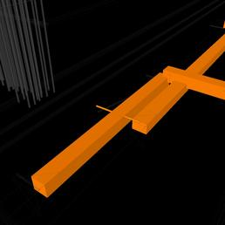 | (user images)
19 | Clash Group: ELV Between: LV_P-200 and ELV_P-014 Clash19 Distance: -0.125m Clash Point: 113780.647m, 128900.674m, 29.498m | Item Name: LV_P-200 Network: GBL7A_Serv_LV-80R Item Type: 4 x 160mm GROUP Pipe Pipe 0.420m x 0.720m | Item Name: ELV_P-014 Network: GBL7A_Serv_ELV-80R Item Type: 100 mm PVC Pipe Pipe Pipe 0.100m x 0.110m | 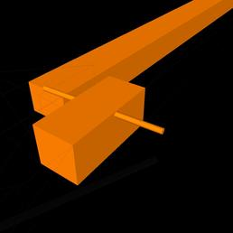 | (user images)
20 | Clash Group: ELV Between: LV_P-205 and ELV_P-005 Clash20 Distance: -0.124m Clash Point: 113837.344m, 128919.290m, 29.292m | Item Name: LV_P-205 Network: GBL7A_Serv_LV-80R Item Type: 4 x 160mm GROUP Pipe Pipe 0.420m x 0.720m | Item Name: ELV_P-005 Network: GBL7A_Serv_ELV-80R Item Type: 6 x 160mm Pipe Pipe 0.680m x 0.980m | 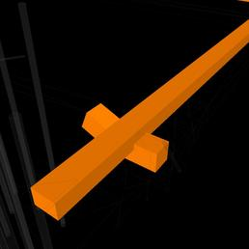 | (user images)
21 | Clash Group: ELV Between: LV_P-082 and ELV_P-013 Clash21 Distance: -0.094m Clash Point: 113773.186m, 128950.587m, 29.505m | Item Name: LV_P-082 Network: GBL7A_Serv_LV-80R Item Type: 4 x 160mm GROUP Pipe Pipe 0.420m x 0.720m | Item Name: ELV_P-013 Network: GBL7A_Serv_ELV-80R Item Type: 100 mm PVC Pipe Pipe Pipe 0.100m x 0.110m | 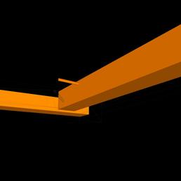 | (user images)
22 | Clash Group: ELV Between: LV_P-202 and ELV_P-016 Clash22 Distance: -0.078m Clash Point: 113835.840m, 128960.479m, 29.744m | Item Name: LV_P-202 Network: GBL7A_Serv_LV-80R Item Type: 4 x 160mm GROUP Pipe Pipe 0.420m x 0.720m | Item Name: ELV_P-016 Network: GBL7A_Serv_ELV-80R Item Type: 100 mm PVC Pipe Pipe Pipe 0.100m x 0.110m | 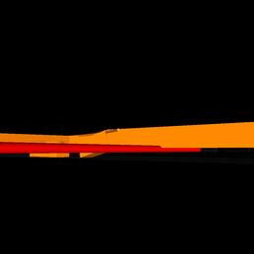 | (user images)
23 | Clash Group: ELV Between: LV_P-022 and ELV_P-066 Clash23 Distance: -0.075m Clash Point: 113843.468m, 128883.413m, 28.995m | Item Name: LV_P-022 Network: GBL7A_Serv_LV-80R Item Type: 4 x 160mm GROUP Pipe Pipe 0.420m x 0.720m | Item Name: ELV_P-066 Network: GBL7A_Serv_ELV-80R Item Type: 6 x 160mm Pipe Pipe 0.680m x 0.980m | 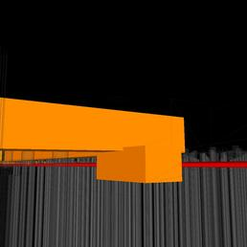 | (user images)
24 | Clash Group: ELV Between: LV_P-136 and ELV_P-045 Clash24 Distance: -0.058m Clash Point: 113773.909m, 128927.209m, 29.500m | Item Name: LV_P-136 Network: GBL7A_Serv_LV-80R Item Type: 4x2 way 100mm dia 430x210 Pipe Pipe 0.430m x 0.000m | Item Name: ELV_P-045 Network: GBL7A_Serv_ELV-80R Item Type: 6 x 160mm Pipe Pipe 0.680m x 0.980m | 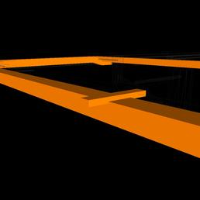 | (user images)
25 | Clash Group: ELV Between: LV_P-031 and ELV_P-010 Clash25 Distance: -0.055m Clash Point: 113796.394m, 128904.841m, 29.622m | Item Name: LV_P-031 Network: GBL7A_Serv_LV-80R Item Type: 100 mm PVC Pipe Pipe Pipe 0.100m x 0.110m | Item Name: ELV_P-010 Network: GBL7A_Serv_ELV-80R Item Type: 6 x 160mm Pipe Pipe 0.680m x 0.980m | 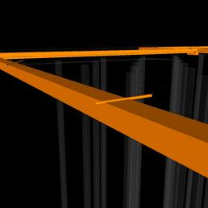 | (user images)
26 | Clash Group: ELV Between: LV_P-168 and ELV_P-010 Clash26 Distance: -0.052m Clash Point: 113794.607m, 128920.928m, 29.699m | Item Name: LV_P-168 Network: GBL7A_Serv_LV-80R Item Type: 100 mm PVC Pipe Pipe Pipe 0.100m x 0.110m | Item Name: ELV_P-010 Network: GBL7A_Serv_ELV-80R Item Type: 6 x 160mm Pipe Pipe 0.680m x 0.980m | 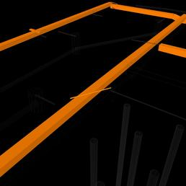 | (user images)
27 | Clash Group: ELV Between: LV_P-135 and ELV_P-045 Clash27 Distance: -0.049m Clash Point: 113776.434m, 128912.423m, 29.500m | Item Name: LV_P-135 Network: GBL7A_Serv_LV-80R Item Type: 4x2 way 100mm dia 430x210 Pipe Pipe 0.430m x 0.000m | Item Name: ELV_P-045 Network: GBL7A_Serv_ELV-80R Item Type: 6 x 160mm Pipe Pipe 0.680m x 0.980m | 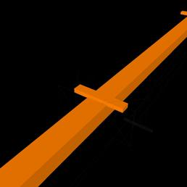 | (user images)
28 | Clash Group: ELV Between: FHM-05 and ELV_P-040 Clash28 Distance: -0.039m Clash Point: 113838.502m, 128962.590m, 29.061m | Item Name: FHM-05 Item Type: Pressure Pipe | Item Name: ELV_P-040 Network: GBL7A_Serv_ELV-80R Item Type: 6 x 160mm Pipe Pipe 0.680m x 0.980m | 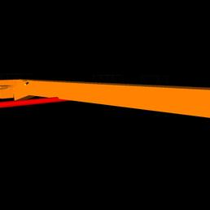 | (user images)
29 | Clash Group: ELV Between: LV_P-046 and ELV_P-003 Clash29 Distance: -0.038m Clash Point: 113965.135m, 128982.400m, 29.700m | Item Name: LV_P-046 Network: GBL7A_Serv_LV-80R Item Type: 100 mm PVC Pipe Pipe Pipe 0.100m x 0.110m | Item Name: ELV_P-003 Network: GBL7A_Serv_ELV-80R Item Type: 6 x 160mm Pipe Pipe 0.680m x 0.980m | 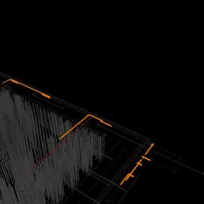 | (user images)
30 | Clash Group: ELV Between: LV_P-100 and ELV_P-001 Clash30 Distance: -0.036m Clash Point: 113833.009m, 128944.549m, 29.209m | Item Name: LV_P-100 Network: GBL7A_Serv_LV-80R Item Type: 100 mm PVC Pipe Pipe Pipe 0.100m x 0.110m | Item Name: ELV_P-001 Network: GBL7A_Serv_ELV-80R Item Type: 6 x 160mm Pipe Pipe 0.680m x 0.980m | 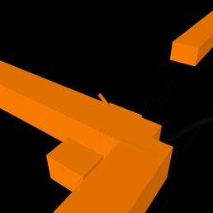 | (user images)
31 | Clash Group: ELV Between: LV_P-153 and ELV_P-016 Clash31 Distance: -0.034m Clash Point: 113835.991m, 128960.412m, 29.742m | Item Name: LV_P-153 Network: GBL7A_Serv_LV-80R Item Type: 4 x 160mm GROUP Pipe Pipe 0.420m x 0.720m | Item Name: ELV_P-016 Network: GBL7A_Serv_ELV-80R Item Type: 100 mm PVC Pipe Pipe Pipe 0.100m x 0.110m | 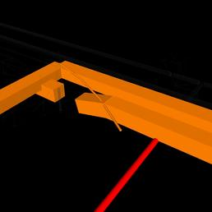 | (user images)
32 | Clash Group: ELV Between: LV_P-076 and ELV_P-034 Clash32 Distance: -0.030m Clash Point: 113973.493m, 128939.279m, 29.743m | Item Name: LV_P-076 Network: GBL7A_Serv_LV-80R Item Type: 100 mm PVC Pipe Pipe Pipe 0.100m x 0.110m | Item Name: ELV_P-034 Network: GBL7A_Serv_ELV-80R Item Type: 6 x 160mm Pipe Pipe 0.680m x 0.980m | 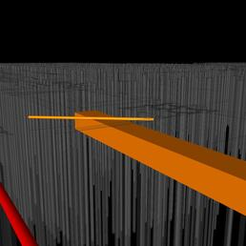 | (user images)
33 | Clash Group: ELV Between: FHM-04 and ELV_P-039 Clash33 Distance: -0.019m Clash Point: 113969.411m, 128984.873m, 29.042m | Item Name: FHM-04 Item Type: Pressure Pipe | Item Name: ELV_P-039 Network: GBL7A_Serv_ELV-80R Item Type: 6 x 160mm Pipe Pipe 0.680m x 0.980m | 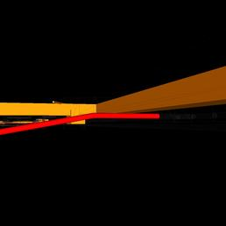 | (user images)
34 | Clash Group: Fibre Between: M_Pile - EYD - 420mm Dia Pile _GF_-6451143-GBL7A-PUF-EYD-STR_Export View and FB_P-017 Clash1 Distance: -0.202m Clash Point: 113838.893m, 128892.289m, 27.930m | Item Name: M_Pile - EYD - 420mm Dia Pile _GF_-6451143-GBL7A-PUF-EYD-STR_Export View Item Type: PolyFace Mesh | Item Name: FB_P-017 Network: GBL7A_Serv_Fibre-80R Item Type: 640 mm x 178 mm 100 mm 8 x 50mm Fibre Ducts Pipe Pipe 0.640m x 0.840m |  | (user images)
35 | Clash Group: Fibre Between: M_Pile - EYD - 420mm Dia Pile _GF_-6451143-GBL7A-PUF-EYD-STR_Export View and FB_P-017 Clash2 Distance: -0.195m Clash Point: 113838.839m, 128892.287m, 27.930m | Item Name: M_Pile - EYD - 420mm Dia Pile _GF_-6451143-GBL7A-PUF-EYD-STR_Export View Item Type: PolyFace Mesh | Item Name: FB_P-017 Network: GBL7A_Serv_Fibre-80R Item Type: 640 mm x 178 mm 100 mm 8 x 50mm Fibre Ducts Pipe Pipe 0.640m x 0.840m |  | (user images)
36 | Clash Group: Fibre Between: M_Pile - EYD - 420mm Dia Pile _GF_-6451143-GBL7A-PUF-EYD-STR_Export View and FB_P-015 Clash3 Distance: -0.117m Clash Point: 113844.872m, 128844.563m, 27.900m | Item Name: M_Pile - EYD - 420mm Dia Pile _GF_-6451143-GBL7A-PUF-EYD-STR_Export View Item Type: PolyFace Mesh | Item Name: FB_P-015 Network: GBL7A_Serv_Fibre-80R Item Type: 640 mm x 290 mm 100 mm 16 x 50mm Fibre Ducts Pipe Pipe 0.640m x 0.840m |  | (user images)
37 | Clash Group: Fibre Between: M_Pile - EYD - 420mm Dia Pile _GF_-6451143-GBL7A-PUF-EYD-STR_Export View and FB_P-015 Clash4 Distance: -0.087m Clash Point: 113844.976m, 128844.554m, 27.900m | Item Name: M_Pile - EYD - 420mm Dia Pile _GF_-6451143-GBL7A-PUF-EYD-STR_Export View Item Type: PolyFace Mesh | Item Name: FB_P-015 Network: GBL7A_Serv_Fibre-80R Item Type: 640 mm x 290 mm 100 mm 16 x 50mm Fibre Ducts Pipe Pipe 0.640m x 0.840m | 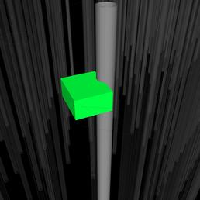 | (user images)
38 | Clash Group: Fibre Between: M_Pile - EYD - 420mm Dia Pile _GF_-6451143-GBL7A-PUF-EYD-STR_Export View and FB_P-016 Clash5 Distance: -0.029m Clash Point: 113838.684m, 128892.168m, 28.308m | Item Name: M_Pile - EYD - 420mm Dia Pile _GF_-6451143-GBL7A-PUF-EYD-STR_Export View Item Type: PolyFace Mesh | Item Name: FB_P-016 Network: GBL7A_Serv_Fibre-80R Item Type: 640 mm x 178 mm 100 mm 8 x 50mm Fibre Ducts Pipe Pipe 0.640m x 0.840m | 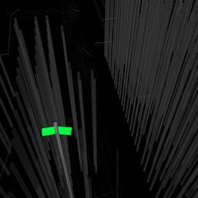 | (user images)
39 | Clash Group: Industrial Between: $-S-FNDN and IN_P-45 Clash1 Distance: -0.629m Clash Point: 113974.747m, 128886.335m, 28.706m | Item Name: $-S-FNDN Item Type: PolyFace Mesh | Item Name: IN_P-45 Network: GBL7A_Drain_Industrial-80R Item Type: 225 mm Concrete Pipe Pipe Pipe 0.225m x 0.295m | 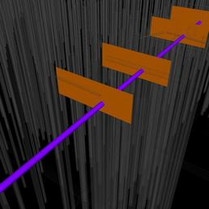 | (user images)
40 | Clash Group: Industrial Between: $-S-FNDN and IN_P-42 Clash2 Distance: -0.607m Clash Point: 113977.196m, 128872.063m, 28.738m | Item Name: $-S-FNDN Item Type: PolyFace Mesh | Item Name: IN_P-42 Network: GBL7A_Drain_Industrial-80R Item Type: 225 mm Concrete Pipe Pipe Pipe 0.225m x 0.295m | 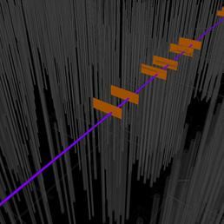 | (user images)
41 | Clash Group: Industrial Between: $-S-FNDN and IN_P-45 Clash3 Distance: -0.581m Clash Point: 113972.445m, 128898.624m, 28.684m | Item Name: $-S-FNDN Item Type: PolyFace Mesh | Item Name: IN_P-45 Network: GBL7A_Drain_Industrial-80R Item Type: 225 mm Concrete Pipe Pipe Pipe 0.225m x 0.295m | 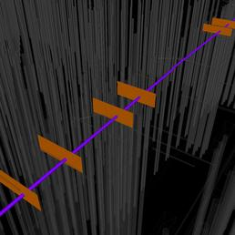 | (user images)
42 | Clash Group: Industrial Between: $-S-FNDN and IN_P-42 Clash4 Distance: -0.525m Clash Point: 113982.194m, 128842.778m, 28.541m | Item Name: $-S-FNDN Item Type: PolyFace Mesh | Item Name: IN_P-42 Network: GBL7A_Drain_Industrial-80R Item Type: 225 mm Concrete Pipe Pipe Pipe 0.225m x 0.295m | 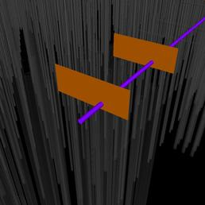 | (user images)
43 | Clash Group: Industrial Between: $-S-FNDN and IN_P-41 Clash5 Distance: -0.422m Clash Point: 113961.918m, 128961.058m, 29.532m | Item Name: $-S-FNDN Item Type: PolyFace Mesh | Item Name: IN_P-41 Network: GBL7A_Drain_Industrial-80R Item Type: 225 mm Concrete Pipe Pipe Pipe 0.225m x 0.295m | 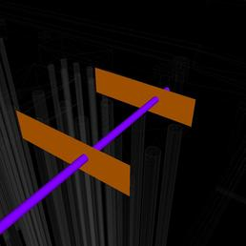 | (user images)
44 | Clash Group: Industrial Between: $-S-FNDN and IN_P-41 Clash6 Distance: -0.414m Clash Point: 113967.000m, 128930.291m, 29.053m | Item Name: $-S-FNDN Item Type: PolyFace Mesh | Item Name: IN_P-41 Network: GBL7A_Drain_Industrial-80R Item Type: 225 mm Concrete Pipe Pipe Pipe 0.225m x 0.295m | 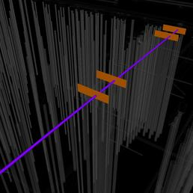 | (user images)
45 | Clash Group: Industrial Between: $-S-FNDN and IN_P-42 Clash7 Distance: -0.347m Clash Point: 113980.946m, 128849.160m, 28.339m | Item Name: $-S-FNDN Item Type: PolyFace Mesh | Item Name: IN_P-42 Network: GBL7A_Drain_Industrial-80R Item Type: 225 mm Concrete Pipe Pipe Pipe 0.225m x 0.295m | 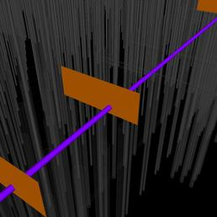 | (user images)
46 | Clash Group: Industrial Between: $-S-FNDN and IN_P-41 Clash8 Distance: -0.298m Clash Point: 113962.675m, 128956.450m, 29.209m | Item Name: $-S-FNDN Item Type: PolyFace Mesh | Item Name: IN_P-41 Network: GBL7A_Drain_Industrial-80R Item Type: 225 mm Concrete Pipe Pipe Pipe 0.225m x 0.295m | 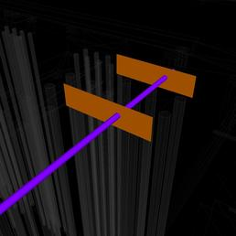 | (user images)
47 | Clash Group: Industrial Between: $-S-FNDN and IN_P-42 Clash9 Distance: -0.262m Clash Point: 113976.270m, 128876.642m, 28.512m | Item Name: $-S-FNDN Item Type: PolyFace Mesh | Item Name: IN_P-42 Network: GBL7A_Drain_Industrial-80R Item Type: 225 mm Concrete Pipe Pipe Pipe 0.225m x 0.295m | 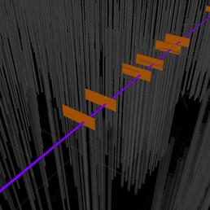 | (user images)
48 | Clash Group: Industrial Between: $-S-FNDN and IN_P-45 Clash10 Distance: -0.218m Clash Point: 113973.669m, 128890.889m, 28.629m | Item Name: $-S-FNDN Item Type: PolyFace Mesh | Item Name: IN_P-45 Network: GBL7A_Drain_Industrial-80R Item Type: 225 mm Concrete Pipe Pipe Pipe 0.225m x 0.295m | 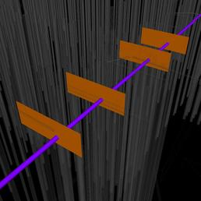 | (user images)
49 | Clash Group: Industrial Between: $-S-FNDN and IN_P-41 Clash11 Distance: -0.203m Clash Point: 113966.217m, 128934.895m, 29.348m | Item Name: $-S-FNDN Item Type: PolyFace Mesh | Item Name: IN_P-41 Network: GBL7A_Drain_Industrial-80R Item Type: 225 mm Concrete Pipe Pipe Pipe 0.225m x 0.295m | 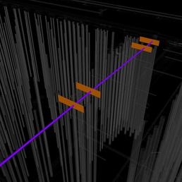 | (user images)
50 | Clash Group: Industrial Between: $-S-FNDN and IN_P-45 Clash12 Distance: -0.189m Clash Point: 113971.398m, 128903.183m, 28.733m | Item Name: $-S-FNDN Item Type: PolyFace Mesh | Item Name: IN_P-45 Network: GBL7A_Drain_Industrial-80R Item Type: 225 mm Concrete Pipe Pipe Pipe 0.225m x 0.295m | 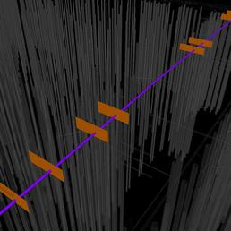 | (user images)
51 | Clash Group: Land Between: S7-15.1 and LD_P-04 Clash1 Distance: -0.087m Clash Point: 114025.008m, 128931.703m, 29.510m | Item Name: S7-15.1 Network: GBL7A_Drain_Storm-80R Item Type: 1,350 mm Cylindrical Structure Structure | Item Name: LD_P-04 Network: GBL7A_Drain_Land-80R Item Type: 150 mm PVC Pipe Pipe Pipe 0.150m x 0.160m | 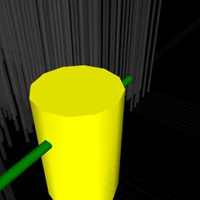 | (user images)
52 | Clash Group: Land Between: S7-15.1 and LD_P-05 Clash2 Distance: -0.073m Clash Point: 114025.409m, 128930.240m, 29.539m | Item Name: S7-15.1 Network: GBL7A_Drain_Storm-80R Item Type: 1,350 mm Cylindrical Structure Structure | Item Name: LD_P-05 Network: GBL7A_Drain_Land-80R Item Type: 150 mm PVC Pipe Pipe Pipe 0.150m x 0.160m | 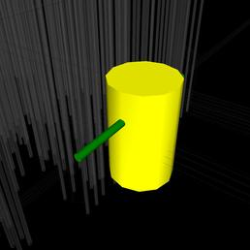 | (user images)
53 | Clash Group: LV Between: ST_P-116 and LV_P-070 Clash1 Distance: -0.179m Clash Point: 113968.800m, 128958.310m, 29.719m | Item Name: ST_P-116 Network: GBL7A_Drain_Storm-80R Item Type: 150 mm PVC Pipe Pipe Pipe 0.150m x 0.160m | Item Name: LV_P-070 Network: GBL7A_Serv_LV-80R Item Type: 4 x 160mm GROUP Pipe Pipe 0.420m x 0.720m | 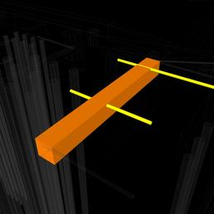 | (user images)
54 | Clash Group: LV Between: ST_P-083 and LV_P-070 Clash2 Distance: -0.144m Clash Point: 113967.239m, 128962.297m, 29.755m | Item Name: ST_P-083 Network: GBL7A_Drain_Storm-80R Item Type: 150 mm PVC Pipe Pipe Pipe 0.150m x 0.160m | Item Name: LV_P-070 Network: GBL7A_Serv_LV-80R Item Type: 4 x 160mm GROUP Pipe Pipe 0.420m x 0.720m |  | (user images)
55 | Clash Group: LV Between: ST_P-118 and LV_P-130 Clash3 Distance: -0.109m Clash Point: 113978.008m, 128899.005m, 29.719m | Item Name: ST_P-118 Network: GBL7A_Drain_Storm-80R Item Type: 150 mm PVC Pipe Pipe Pipe 0.150m x 0.160m | Item Name: LV_P-130 Network: GBL7A_Serv_LV-80R Item Type: 4 x 160mm GROUP Pipe Pipe 0.420m x 0.720m |  | (user images)
56 | Clash Group: LV Between: S7-24.2 (FS) and LV_P-197 Clash4 Distance: -0.087m Clash Point: 113806.840m, 128825.195m, 29.699m | Item Name: S7-24.2 (FS) Network: GBL7A_Drain_Storm-80R Item Type: 2,069 x 1,220 Rect Structure 800 x 800 Frm 150 FmHt 100 Slab 300 Wall 220 Floor Structure | Item Name: LV_P-197 Network: GBL7A_Serv_LV-80R Item Type: 100 mm PVC Pipe Pipe Pipe 0.100m x 0.110m |  | (user images)
57 | Clash Group: LV Between: S7-25.2 (FS) and LV_P-196 Clash5 Distance: -0.086m Clash Point: 113800.665m, 128861.597m, 29.699m | Item Name: S7-25.2 (FS) Network: GBL7A_Drain_Storm-80R Item Type: 2,069 x 1,220 Rect Structure 800 x 800 Frm 150 FmHt 100 Slab 300 Wall 220 Floor Structure | Item Name: LV_P-196 Network: GBL7A_Serv_LV-80R Item Type: 100 mm PVC Pipe Pipe Pipe 0.100m x 0.110m |  | (user images)
58 | Clash Group: LV Between: S7-26.2 (FS) and LV_P-195 Clash6 Distance: -0.085m Clash Point: 113795.184m, 128894.031m, 29.699m | Item Name: S7-26.2 (FS) Network: GBL7A_Drain_Storm-80R Item Type: 2,069 x 1,220 Rect Structure 800 x 800 Frm 150 FmHt 100 Slab 300 Wall 220 Floor Structure | Item Name: LV_P-195 Network: GBL7A_Serv_LV-80R Item Type: 100 mm PVC Pipe Pipe Pipe 0.100m x 0.110m |  | (user images)
59 | Clash Group: LV Between: ST_P-094 and LV_P-191 Clash7 Distance: -0.037m Clash Point: 113973.273m, 128926.836m, 29.636m | Item Name: ST_P-094 Network: GBL7A_Drain_Storm-80R Item Type: 225 mm Concrete Pipe Pipe Pipe 0.225m x 0.295m | Item Name: LV_P-191 Network: GBL7A_Serv_LV-80R Item Type: 4 x 160mm GROUP Pipe Pipe 0.420m x 0.720m |  | (user images)
60 | Clash Group: LV Between: ST_P-163 and LV_P-197 Clash8 Distance: -0.024m Clash Point: 113806.345m, 128824.866m, 29.750m | Item Name: ST_P-163 Network: GBL7A_Drain_Storm-80R Item Type: 100 mm PVC Pipe Pipe Pipe 0.100m x 0.110m | Item Name: LV_P-197 Network: GBL7A_Serv_LV-80R Item Type: 100 mm PVC Pipe Pipe Pipe 0.100m x 0.110m |  | (user images)
61 | Clash Group: LV Between: ST_P-164 and LV_P-196 Clash9 Distance: -0.023m Clash Point: 113800.123m, 128861.246m, 29.750m | Item Name: ST_P-164 Network: GBL7A_Drain_Storm-80R Item Type: 100 mm PVC Pipe Pipe Pipe 0.100m x 0.110m | Item Name: LV_P-196 Network: GBL7A_Serv_LV-80R Item Type: 100 mm PVC Pipe Pipe Pipe 0.100m x 0.110m |  | (user images)
62 | Clash Group: LV Between: ST_P-162 and LV_P-195 Clash10 Distance: -0.023m Clash Point: 113794.701m, 128893.744m, 29.727m | Item Name: ST_P-162 Network: GBL7A_Drain_Storm-80R Item Type: 100 mm PVC Pipe Pipe Pipe 0.100m x 0.110m | Item Name: LV_P-195 Network: GBL7A_Serv_LV-80R Item Type: 100 mm PVC Pipe Pipe Pipe 0.100m x 0.110m |  | (user images)
63 | Clash Group: Sanitary Between: $-S-FNDN and SN_P-02 Clash1 Distance: -0.424m Clash Point: 113973.283m, 128895.472m, 29.298m | Item Name: $-S-FNDN Item Type: PolyFace Mesh | Item Name: SN_P-02 Network: GBL7A_Drain_Sanitary-80R Item Type: 160 mm PVC Pipe Pipe Pipe 0.160m x 0.170m |  | (user images)
64 | Clash Group: Sanitary Between: $-S-FNDN and SN_P-02 Clash2 Distance: -0.150m Clash Point: 113975.100m, 128895.762m, 29.126m | Item Name: $-S-FNDN Item Type: PolyFace Mesh | Item Name: SN_P-02 Network: GBL7A_Drain_Sanitary-80R Item Type: 160 mm PVC Pipe Pipe Pipe 0.160m x 0.170m |  | (user images)
65 | Clash Group: Test 2 Between: $-S-FNDN and ST_P-030 Clash1 Distance: -0.367m Clash Point: 113975.803m, 128890.363m, 29.247m | Item Name: $-S-FNDN Item Type: PolyFace Mesh | Item Name: ST_P-030 Network: GBL7A_Drain_Storm-80R Item Type: 300 mm PVC Pipe Pipe Pipe 0.300m x 0.314m |  | (user images)
66 | Clash Group: Test 2 Between: $-S-FNDN and EX.S7-05.13.1 Clash2 Distance: -0.200m Clash Point: 113992.217m, 128865.301m, 29.300m | Item Name: $-S-FNDN Item Type: PolyFace Mesh | Item Name: EX.S7-05.13.1 Network: GBL7A_Drain_Storm-80R Item Type: Slab Top Cylindrical Structure 600 dia 400 dia Frm 100 FrHt 200 slab 100 wall 200 floor Structure |  | (user images)
67 | Clash Group: Test 2 Between: $-S-FNDN and S7-05.17.1 Clash3 Distance: -0.200m Clash Point: 113977.803m, 128949.704m, 29.300m | Item Name: $-S-FNDN Item Type: PolyFace Mesh | Item Name: S7-05.17.1 Network: GBL7A_Drain_Storm-80R Item Type: Slab Top Cylindrical Structure 600 dia 400 dia Frm 100 FrHt 200 slab 100 wall 200 floor Structure |  | (user images)
68 | Clash Group: Test 2 Between: $-S-FNDN and S7-05.15.1 Clash4 Distance: -0.200m Clash Point: 113985.010m, 128907.502m, 29.300m | Item Name: $-S-FNDN Item Type: PolyFace Mesh | Item Name: S7-05.15.1 Network: GBL7A_Drain_Storm-80R Item Type: Slab Top Cylindrical Structure 600 dia 400 dia Frm 100 FrHt 200 slab 100 wall 200 floor Structure |  | (user images)
69 | Clash Group: Test 2 Between: $-S-FNDN and S7-05.16.1 Clash5 Distance: -0.199m Clash Point: 113981.271m, 128928.395m, 29.100m | Item Name: $-S-FNDN Item Type: PolyFace Mesh | Item Name: S7-05.16.1 Network: GBL7A_Drain_Storm-80R Item Type: Slab Top Cylindrical Structure 600 dia 400 dia Frm 100 FrHt 200 slab 100 wall 200 floor Structure |  | (user images)
70 | Clash Group: Test 2 Between: $-S-FNDN and S7-05.16.1 Clash6 Distance: -0.199m Clash Point: 113981.412m, 128928.575m, 29.300m | Item Name: $-S-FNDN Item Type: PolyFace Mesh | Item Name: S7-05.16.1 Network: GBL7A_Drain_Storm-80R Item Type: Slab Top Cylindrical Structure 600 dia 400 dia Frm 100 FrHt 200 slab 100 wall 200 floor Structure |  | (user images)
71 | Clash Group: Test 2 Between: $-S-FNDN and S7-05.14.1 Clash7 Distance: -0.100m Clash Point: 113988.257m, 128886.642m, 29.300m | Item Name: $-S-FNDN Item Type: PolyFace Mesh | Item Name: S7-05.14.1 Network: GBL7A_Drain_Storm-80R Item Type: 1,200 mm Cylindrical Structure Structure |  | (user images)
72 | Clash Group: Test 2 Between: $-S-FNDN and S7-05.14.1 Clash8 Distance: -0.048m Clash Point: 113988.935m, 128886.271m, 29.200m | Item Name: $-S-FNDN Item Type: PolyFace Mesh | Item Name: S7-05.14.1 Network: GBL7A_Drain_Storm-80R Item Type: 1,200 mm Cylindrical Structure Structure |  | (user images)
73 | Clash Group: Test 2 Between: $-S-FNDN and S7-05.13.2 Clash9 Distance: -0.040m Clash Point: 114010.903m, 128868.437m, 29.300m | Item Name: $-S-FNDN Item Type: PolyFace Mesh | Item Name: S7-05.13.2 Network: GBL7A_Drain_Storm-80R Item Type: Slab Top Cylindrical Structure 600 dia 400 dia Frm 100 FrHt 200 slab 100 wall 200 floor Structure |  | (user images)
74 | Clash Group: Test 2 Between: $-S-FNDN and S7-05.13.2 Clash10 Distance: -0.040m Clash Point: 114010.485m, 128868.236m, 29.260m | Item Name: $-S-FNDN Item Type: PolyFace Mesh | Item Name: S7-05.13.2 Network: GBL7A_Drain_Storm-80R Item Type: Slab Top Cylindrical Structure 600 dia 400 dia Frm 100 FrHt 200 slab 100 wall 200 floor Structure |  | (user images)
75 | Clash Group: Test 2 Between: $-S-FNDN and EX.S7-05.13.1 Clash11 Distance: -0.028m Clash Point: 113992.320m, 128865.133m, 29.100m | Item Name: $-S-FNDN Item Type: PolyFace Mesh | Item Name: EX.S7-05.13.1 Network: GBL7A_Drain_Storm-80R Item Type: Slab Top Cylindrical Structure 600 dia 400 dia Frm 100 FrHt 200 slab 100 wall 200 floor Structure |  | (user images)
76 | Clash Group: Test 2 Between: $-S-FNDN and S7-05.15.1 Clash12 Distance: -0.028m Clash Point: 113985.113m, 128907.335m, 29.100m | Item Name: $-S-FNDN Item Type: PolyFace Mesh | Item Name: S7-05.15.1 Network: GBL7A_Drain_Storm-80R Item Type: Slab Top Cylindrical Structure 600 dia 400 dia Frm 100 FrHt 200 slab 100 wall 200 floor Structure |  | (user images)
77 | Clash Group: Test 2 Between: $-S-FNDN and S7-05.17.1 Clash13 Distance: -0.028m Clash Point: 113977.906m, 128949.537m, 29.100m | Item Name: $-S-FNDN Item Type: PolyFace Mesh | Item Name: S7-05.17.1 Network: GBL7A_Drain_Storm-80R Item Type: Slab Top Cylindrical Structure 600 dia 400 dia Frm 100 FrHt 200 slab 100 wall 200 floor Structure |  | (user images)

